Flower arrangement orders
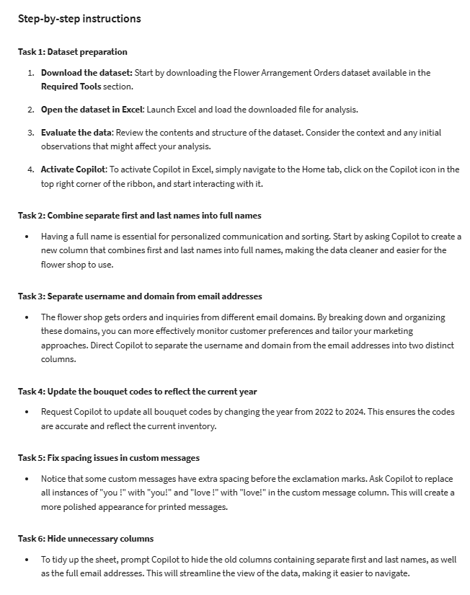
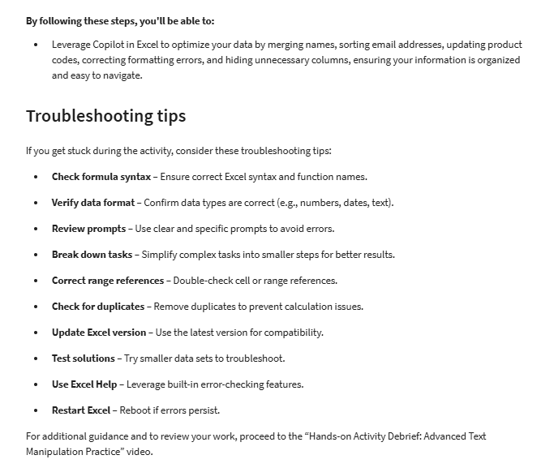
First Name | Last Name | Email Address | Bouquet Type | Order Date | Custom Message | Bouquet Code
Amara | Chukwu | amara.chukwu@techcompany.com | Mixed Seasonal Blooms | 2/1/2024 | Happy Anniversary, my love ! | MSB-2022-001
Hiroshi | Taniguchi | hiroshi.taniguchi@marketingfirm.com | Classic Roses | 2/2/2024 | Thank you for being you ! | CR-2022-002
Zuri | Mwangi | zuri.mwangi@financialservices.com | Vibrant Tulips | 2/3/2024 | Just because you’re amazing! | VT-2022-003
Leif | Andersson | leif.andersson@consultinggroup.com | Sunflowers | 2/4/2024 | I love you ! | SF-2022-004
Priya | Desai | priya.desai@healthcare.com | Elegant Lilies | 2/5/2024 | Happy Valentine’s Day, my love ! | EL-2022-005
Aisling | O'Sullivan | aisling.osullivan@softwarecorp.com | Cheerful Daisies | 2/6/2024 | Thank you for being you ! | CD-2022-006
Ravi | Kapoor | ravi.kapoor@pharmaceuticals.com | Romantic Peonies | 2/7/2024 | Happy Valentine’s Day, my love ! | RP-2022-007
Saanvi | Patel | saanvi.patel@retailgroup.com | Fragrant Orchids | 2/8/2024 | I love you ! | FO-2022-008
Kenji | Watanabe | kenji.watanabe@engineeringfirm.com | Colorful Gerberas | 2/9/2024 | Just because you’re amazing! | CG-2022-009
Leila | Al-Mansoori | leila.almansoori@realestate.com | Tropical Bouquet | 2/10/2024 | Happy Valentine’s Day, my love ! | TB-2022-010
Xinyi | Chen | xinyi.chen@consultingfirm.com | Elegant Calla Lilies | 2/11/2024 | Thank you for being you ! | ECL-2022-011
Amir | Al-Farsi | amir.alfarsi@logisticscompany.com | Bright Sunflower Mix | 2/12/2024 | I love you ! | BSM-2022-012
Kiyomi | Saito | kiyomi.saito@hospitalitygroup.com | Assorted Wildflowers | 2/13/2024 | Just because you’re amazing! | AW-2022-013
Thandiwe | Ndlovu | thandiwe.ndlovu@eventsagency.com | Mixed Garden Blooms | 2/14/2024 | Thank you for being you ! | MGB-2022-014
Nia | Okafor | nia.okafor@nonprofitorg.com | Seasonal Posy | 2/15/2024 | Happy Valentine’s Day, my love ! | SP-2022-015

